Beam curvature
Simply supported rail deflection
March 26, 2019 by Alex Slocum
1) abbe errors in a X-Z system and can compensating curvatures provide needed accuracy?
2) Ball screw stretch force and can it be used to provide the moment to create a desired compensating curvature?

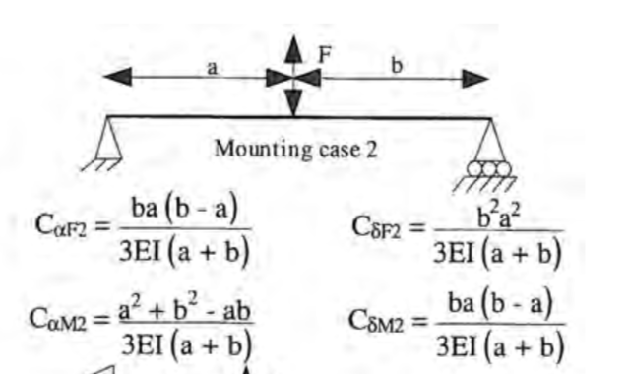
deflection of simply supported bearing rail
Compensating curvature moment applied
axial force from screw (N) | 400
distance between screw axis and bearing axis (mm) | 100
Moment (N-mm) | 40000
Diameter of rail (mm) | 50
length of rail (mm) | 1000
modulus of rail (MPa) | 66667
I (mm^4) | 306796
Mass of bridge supported by 2 rails (kg) | 50
deflection in middle (mm) | 0.250
slope at end if using compensating curvature (radians) | 0.000374
distance from rail to workplane (mm) | 300
Abbe error at end of rail due to compensating curvature (mm) | 0.112

Key is actually what is the maximum slope induced by the load?

maximum slope due to bending at a = % of L | 0.211
maximum abbe error due to weight (mm) | 0.231
maximum abbe error with compensating curvature (mm) | 0.264 | .142mm at 230N
excluding end 10%, max abbe error with compensating curvature (mm) | 0.084

 |  | mrad slope due to
position a as percentage of length | Abbe | weight | Moment | dimension a | dimension b | abs(abbe)
0.01 | (0.26) | 0.077 | -0.96 | 10 | 990 | 0.264
0.02 | (0.24) | 0.150 | -0.94 | 20 | 980 | 0.237
0.03 | (0.21) | 0.218 | -0.92 | 30 | 970 | 0.210
0.04 | (0.19) | 0.282 | -0.90 | 40 | 960 | 0.185
0.05 | (0.16) | 0.341 | -0.88 | 50 | 950 | 0.162
0.06 | (0.14) | 0.396 | -0.86 | 60 | 940 | 0.139
0.07 | (0.12) | 0.447 | -0.84 | 70 | 930 | 0.118
0.08 | (0.10) | 0.494 | -0.82 | 80 | 920 | 0.098
0.09 | (0.08) | 0.536 | -0.80 | 90 | 910 | 0.080
0.1 | (0.06) | 0.575 | -0.78 | 100 | 900 | 0.062
0.11 | (0.05) | 0.610 | -0.76 | 110 | 890 | 0.046
0.12 | (0.03) | 0.641 | -0.74 | 120 | 880 | 0.031
0.13 | (0.02) | 0.668 | -0.72 | 130 | 870 | 0.017
0.14 | (0.00) | 0.692 | -0.70 | 140 | 860 | 0.004
0.15 | 0.01 | 0.713 | -0.68 | 150 | 850 | 0.008
0.16 | 0.02 | 0.730 | -0.66 | 160 | 840 | 0.019
0.17 | 0.03 | 0.744 | -0.65 | 170 | 830 | 0.029
0.18 | 0.04 | 0.754 | -0.63 | 180 | 820 | 0.039
0.19 | 0.05 | 0.762 | -0.61 | 190 | 810 | 0.047
0.2 | 0.05 | 0.767 | -0.59 | 200 | 800 | 0.054
0.21 | 0.06 | 0.768 | -0.57 | 210 | 790 | 0.060
0.22 | 0.07 | 0.767 | -0.55 | 220 | 780 | 0.066
0.23 | 0.07 | 0.764 | -0.53 | 230 | 770 | 0.071
0.24 | 0.07 | 0.757 | -0.51 | 240 | 760 | 0.075
0.25 | 0.08 | 0.749 | -0.49 | 250 | 750 | 0.078
0.26 | 0.08 | 0.738 | -0.47 | 260 | 740 | 0.080
0.27 | 0.08 | 0.724 | -0.45 | 270 | 730 | 0.082
0.28 | 0.08 | 0.708 | -0.43 | 280 | 720 | 0.083
0.29 | 0.08 | 0.691 | -0.41 | 290 | 710 | 0.084
0.3 | 0.08 | 0.671 | -0.39 | 300 | 700 | 0.084
0.31 | 0.08 | 0.649 | -0.37 | 310 | 690 | 0.083
0.32 | 0.08 | 0.626 | -0.35 | 320 | 680 | 0.082
0.33 | 0.08 | 0.600 | -0.33 | 330 | 670 | 0.080
0.34 | 0.08 | 0.573 | -0.31 | 340 | 660 | 0.078
0.35 | 0.08 | 0.545 | -0.29 | 350 | 650 | 0.076
0.36 | 0.07 | 0.515 | -0.27 | 360 | 640 | 0.072
0.37 | 0.07 | 0.484 | -0.25 | 370 | 630 | 0.069
0.38 | 0.07 | 0.452 | -0.23 | 380 | 620 | 0.065
0.39 | 0.06 | 0.418 | -0.22 | 390 | 610 | 0.061
0.4 | 0.06 | 0.383 | -0.20 | 400 | 600 | 0.056
0.41 | 0.05 | 0.348 | -0.18 | 410 | 590 | 0.052
0.42 | 0.05 | 0.311 | -0.16 | 420 | 580 | 0.046
0.43 | 0.04 | 0.274 | -0.14 | 430 | 570 | 0.041
0.44 | 0.04 | 0.236 | -0.12 | 440 | 560 | 0.036
0.45 | 0.03 | 0.198 | -0.10 | 450 | 550 | 0.030
0.46 | 0.02 | 0.159 | -0.08 | 460 | 540 | 0.024
0.47 | 0.02 | 0.119 | -0.06 | 470 | 530 | 0.018
0.48 | 0.01 | 0.080 | -0.04 | 480 | 520 | 0.012
0.49 | 0.01 | 0.040 | -0.02 | 490 | 510 | 0.006
0.5 | (0.00) | (0.000) | 0.00 | 500 | 500 | 0.000

