Hourglass flexure design
Flextures_Hourglass_Partial_arc.xls
To design hourglass flexures
By Alex Slocum 2023.04.16
Enter numbers in BOLD, results are in RED

Hourglass
Modulus, E | 66667 |  | MPa
Depth into page, w | 10 |  | mm
Height, h | 12 |  | mm
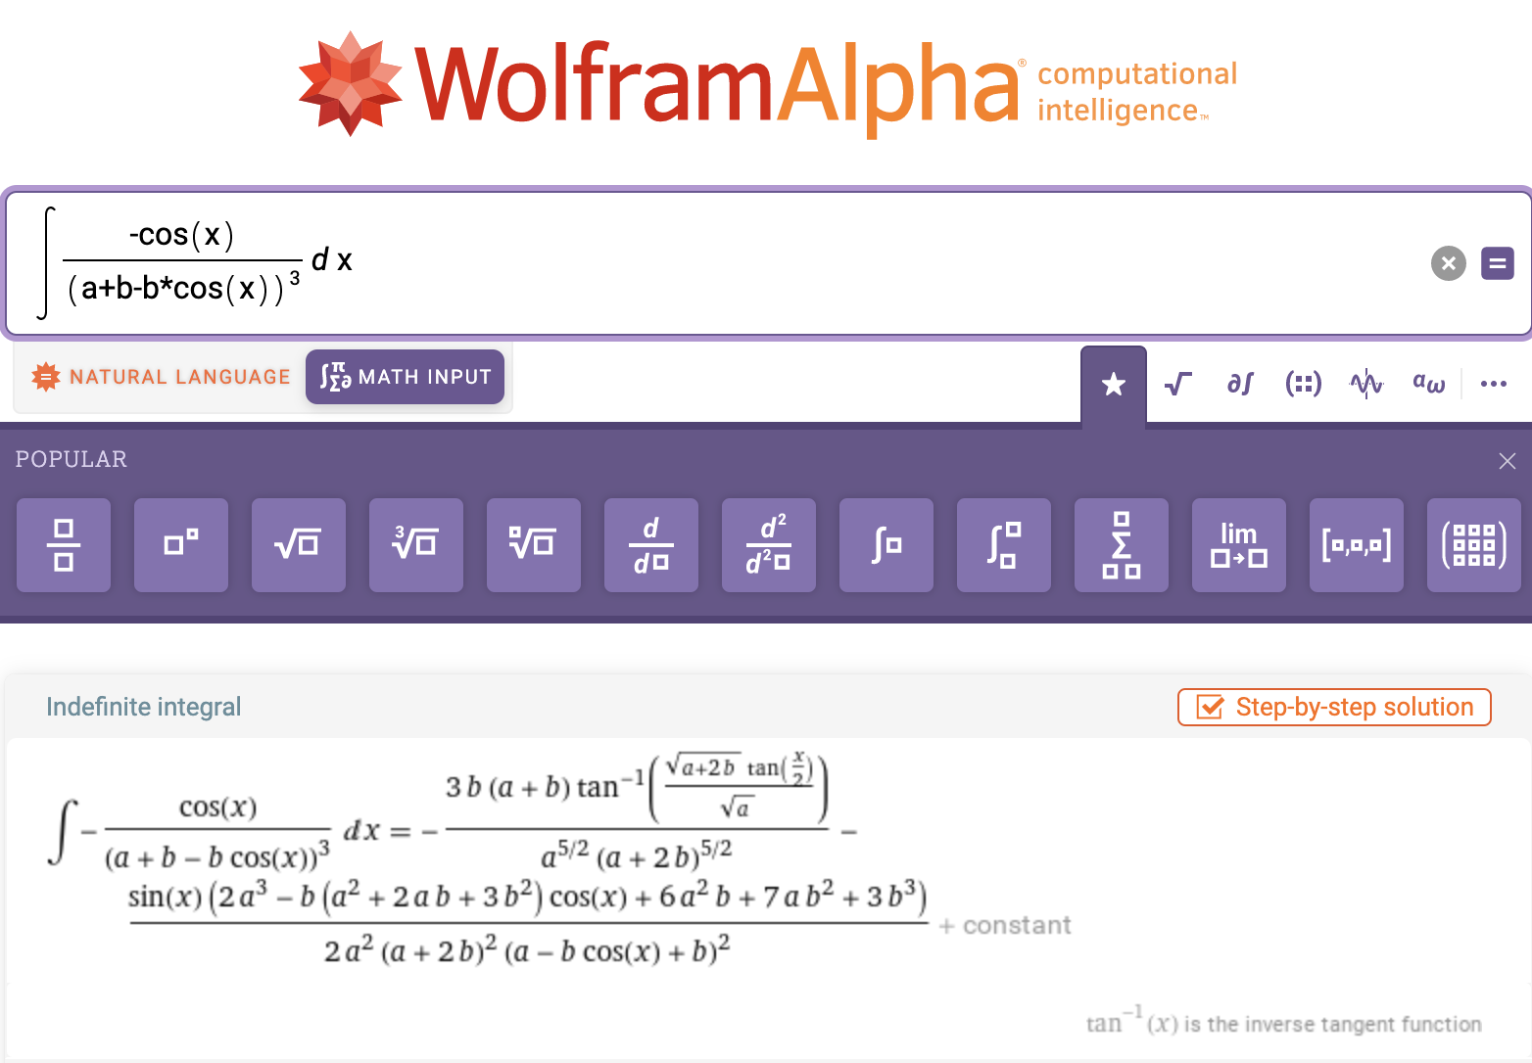
Center width, t | 1.5 |  | mm
Radius | 6 | 12 | mm
Half angle of hourglass arc
radians | 1.571 | 0.524
degrees | 90 | 30.00
Maximum width | 1.5 | 13.50 | mm
Height | 12 | 12 | mm
Loading
Force, F | 1 |  | N
Distance, L | 10 |  | mm
Moment, M | 10 |  | N-mm
Deflection angle
radians | 0.000178 | 0.000283
degrees | 0.010226 | 0.016209
Stiffness | 56,031 | 35,348 | N/mm
ratio | 1.5851
FEA study
Moment | 20 |  | N-mm
Distance from center displacement probe | 10 |  | mm
FEA displacements probe | 0.00364 | 0.00516 | mm
Angle radians | 0.000364 | 0.000516
Stiffness | 54,930 | 38,797 | N/mm
Ratio | 1.4158
Stiffness by theory | 56,031 | 35,348
Theory/FEA | 1.02 | 0.91

Theory parameters for FEA study
Hourglass
Height, h | 12 |  | mm
Center width, t | 1.5 |  | mm
Radius | 6 | 12 | mm
Half angle of hourglass arc
radians | 1.571 | 0.524
degrees | 90 | 30
Maximum width | 1.5 | 13.5 | mm
Height | 12 | 12 | mm
Depth into page, w | 10 |  | mm
Modulus, E | 66667 |  | MPa
Loading
Force, F | 1 |  | N
Distance, L | 10 |  | mm
Moment, M | 10 |  | N-mm

term in front of integral | 0.000135 | 0.000270
half width, a | 0.75
Full angle
Term 1 | -0.103 | -0.170
term 1 numerator | -856 | -5,331
term 1 denominator | 8,333 | 31,399
Term 2 | 0.646 | 0.446
term 2 numerator | 183 | 661
term 2 denominator | 283 | 1,485
atan rise | 1.27E+01 | 6.63E+00
atan run | 8.66E-01 | 8.66E-01
atan2(run,rise) | 1.50E+00 | 1.44E+00
 | 86.11 | 82.56
full angle summation | -0.75 | -0.62
Zero
term 1 numerator | -858.09 | -5981.34
term 1 denominator | 8332.60 | 112027.15
term 2 numerator | 133.03 | 562.78
term 2 denominator | 282.77 | 1484.54
atan rise | 6.00 | 12.00
atan run | 3.09 | 4.31
atan2(run,rise) | 1.09E+00 | 1.23E+00
degrees | 62.73 | 70.25
zero summation | -0.57 | -0.43
Integral total | 1.3220 | 1.0478

