Inputs + Outputs
Ghost Rider Tim's Bolted Joint Calculator for Al, Ti, & Steel (in SI Units) |  |  |  |  |  |  |  |  |  |  | 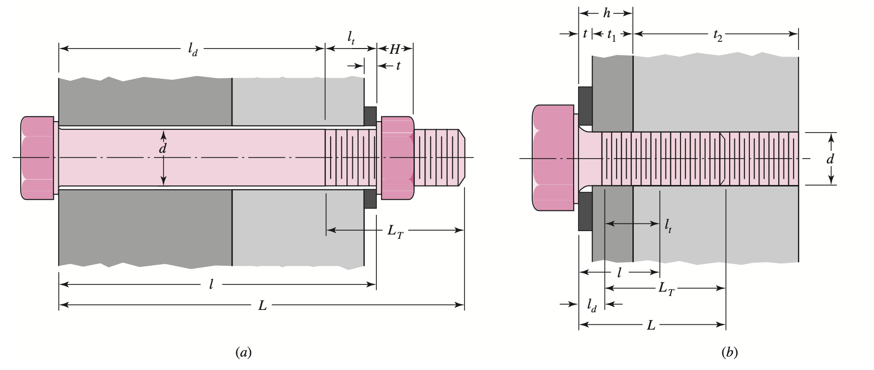 Table 8-7, Shigley's Mechanical Engineering Design (used for dimensions for this spreadsheet)

Latest Revision: |  | Monday, April 10th, 2023 |  |  | List of References: |  | Shigley's Mechanical Engineering Design (6th, SI) Precision Machine Design—Alex Slocum 2.70 Elements of Mechanical Design 2.72 FUNdaMENTALs of Precision Product Design Huth Calculator—http://www.p-over-a.co.uk/toolbox/Huth.aspx Stiffness Comparison—https://aip.scitation.org/doi/pdf/10.1063/1.5029577 NASA Bolts Paper—(see MIT EVT website @ evt.mit.edu) MechaniCalc—https://mechanicalc.com/reference/bolted-joint-analysis
MIT EVT Website: |  | https://evt.mit.edu
Welcome to Ghost Rider Tim's Bolted Joint Calculator for Aluminum, Titanium, and Steel in SI units! This calculator is provided for free from the MIT Electric Vehicle Team (Licence to Fab), for you to use! Check out the tabs at the bottom + the references for more info! Please note this calculator is provided open-source so if you see something wrong, please tell us so we can fix it (adim@mit.edu)!

Bolt Information

Bolt Standards |  |  |  | Load Distribution |  |  |  | Bolt Geometery
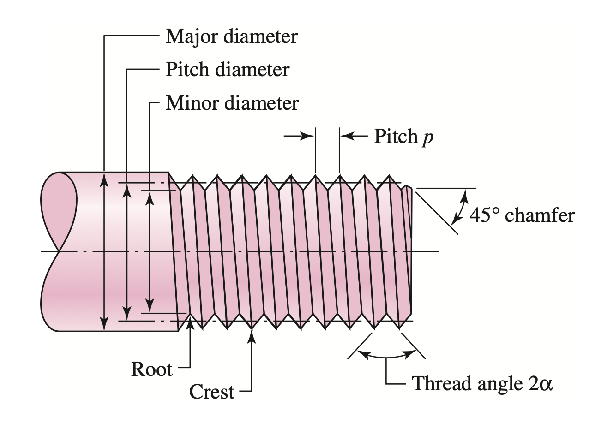
Bolt Standard |  | 1 |  | Washer Factor |  | 1.5 |  | Major ⌀ (mm) |  | 10.00

Bolt Grade |  | 2 |  | Washer Factor how many times larger is the diameter of the washer than the diameter of the bolt (1 for no washer) |  |  |  | Pitch ⌀ (mm) |  | 8.38

Bolt Standard— 1 - SAE 2 - ASTM 3 - Metric Grade— as shown in the "Bolt Standards" tab below |  |  |  |  |  |  |  | Major Area (m^2) |  | 7.853981634E-05 | Calculation Assumptions—v1.1

 |  |  |  |  |  |  |  | Pitch Area (m^2) |  | 5.5101474259E-05
 |  |  |  | Washer Thickness (mm) |  | 1.00 |  |  |  |  | 1. the washer effects the characteristic diameter of both the bolt and the nut in both types of joints, and the washer is made of the same material as the member it is touching Note, the diametral assumption is accurate to all bolted joint systems that are assembled as described. The use of washers is critical to the success of a bolted joint, so use them. The assumption on stiffness will underestimate the stiffness of the bolted joint, as washers are generally made of a stiffer material than the members. 2. all loads are applied such that the joint takes only loads along the three principal axis, (i.e. the joint takes no moments) This assumption doesn't so much affect that math in this spreadsheet so much as how the user uses it. The spreadsheet can give you the bolted joint's capacity to sustain loads in the direction of the bolt as well as in shear, but if moments are being applied to a joint, further analysis may be required. 3. we assume for all joints, a 30deg angle to calculate the Rotscher Pressure Cone For most materials, this assumption is GOOD ESTIMATE. For applications where detailed knowledge of the member stiffness and stress is required (like when a low safety factor is needed), consider seraching up the actual Rotscher angle that varies based on material. 4. we estimate the strenght and stiffness of the threaded portion by using the PITCH DIAMETER as the characteristic diameter This is a fairly accurate estimate of the stiffness of the threaded portion, it's hard to say if it's an over or underestimate.
 |  |  |  |  |  |  |  | Proof Strenght (Pa) |  | 3.79E+08
 |  |  |  | 0.00mm for no washer
 |  |  |  |  |  |  |  | Tensile Strenght (Pa) |  | 5.10E+08

 |  |  |  |  |  |  |  | Yield Strenght (Pa) |  | 3.93E+08

BOLT + NUT JOINT
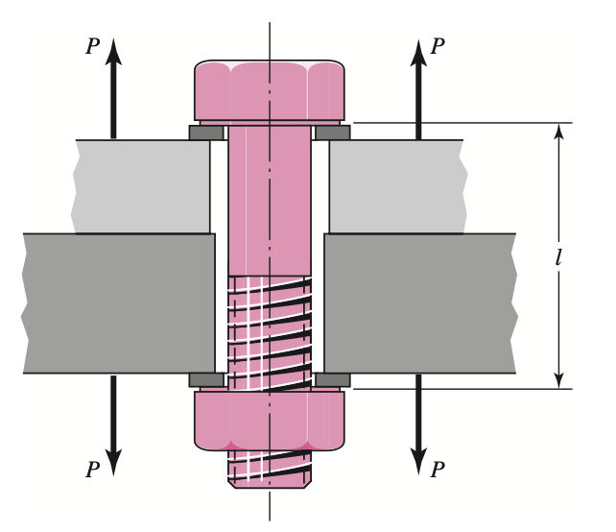
Joint Calculator Inputs (See Table 8-7) |  |  |  |  |  |  | Joint Geometery
 |  |  |  |  |  |  | Materials Inputs

l_d (mm) | 20.00 | Including Washer |  |  | See the "Diagrams + Modeling" tab of this sheet or Shigley's Mechanical Engineering Design Table 8-7 for inputs for tapped base vs. bolt-and-nut joints.

l_d
TOP MEMBER
l_t (mm) | 10.00 | Including Washer (bolt/nut)

Top Member Thickness (mm) |  |  | 20.00 |  | Top Member Material Selector |  |  | 1 |  |  | Notes for the User
BOTTOM MEMBER
l_t
Bottom Member Thickness (mm) |  |  | 10.00 |  | Bottom Member Material Selector |  |  | 2
 |  |  |  |  |  |  |  |  |  |  | · WHEN SIZING WASHERS — remember that St. Venant's Principal applies, washers 3-5x the diameter of the bolt head are usually useful, any larger the bolted joint does not see an appreciably larger stress cone. · Ask yourself when this calculator is VALID, note that for super long bolts, material may not exist in all parts of the stress cone and this calculator is no longer valid for those cases. · NOTE, all dimensional inputs are in mm or m to make it easier for the calculator, please do quick conversion for bolts like 1/4-20 or similar. · NOTE THAT ALL DIMENSIONAL INPUTS ARE BEFORE ANY DEFORMATION CAUSED BY LOADING OR PRELOAD IN GENERAL WHEN DESIGNING BOLTED JOINTS, commons mistakes include mis-interpreting the dimensions required for calculations. We reccomend reading Shigley's Chapter 8 on bolted joints before "designing" with this calculator because this calculator isn't a substitute for engineering knowledge. We reccomend starting with lower bolt grades and then increasing as needed to counter high stresses in the bolt, or increases in the required preload. NOTE THAT THE MOST COMMON FAILURE OF BOLTED JOINTS IS OVER-TIGHTENING THE SCREW, we RECCOMEND THE DISPLACEMENT METHOD FOR SCREW PRELOADING WITH A LUBRICATED SCREW AND A SET ROTATIONAL ANGLE FOR PRELOAD. FINALLY, PLEASE NOTE THAT WASHERS HAVE A DIRECTION. A "bolt preload method reccomendations" guide and a "washer installation guide" will be uploaded to the EVT website.
Maximum Reccomended Preload (kN) |  |  | 17.76 |  | Washer Material Selector |  |  | 2

Bolted Joint Preload (Force in N) |  |  | 10000.00 |  | Material Selector 1 - 6061-T6 Aluminum Alloy 2 - 4130 Steel Alloy 3 - Grade 5 Titanium Alloy

Thicker? | 1 | 1 if top > bottom, 0 bottom >top, 2 if same

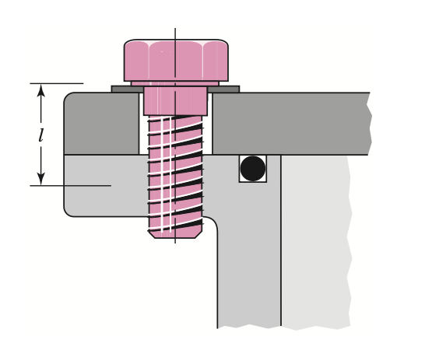
TAPPED BASE
Geometric Calculations |  |  |  |  | Materials Properties Consolidated

Washer Affect on Area |  |  |  |  | Top Member
Characteristic ⌀ (m) |  | 1.50E-02 |  |  | Elasticity Modulus (Pa) |  | 6.89E+10
 |  |  |  |  | Tensile Yield (Pa) |  | 2.76E+08
Stiffness Calculations |  |  |  |  | Tensile Ultimate (Pa) |  | 3.10E+08
Fastner Stiffness (N/m) |  | 3.38E+08 |  |  | Poisson's Ratio |  | 3.30E-01
Central Diameter (m) |  | 3.23E-02 |  |  |  |  |  |  |  |  | Cell Colors Key
Min Material Length (m) |  | 1.00E-02 |  |  | Bottom Member
Pressure Cone (rads) |  | 5.24E-01 |  |  | Elasticity Modulus (Pa) |  | 2.05E+11
Central Distance (m) |  | 1.50E-02 |  |  | Tensile Yield (Pa) |  | 4.35E+08 |  |  |  | INPUT | INTERMEDIATE VALUE | ERROR | FINAL VALUE
Adjustment Distance (m) |  | 5.00E-03 |  |  | Tensile Ultimate (Pa) |  | 6.70E+08
Adjustment Diameter (m) |  | 2.65E-02 |  |  | Poisson's Ratio |  | 2.90E-01 |  |  |  | ESTIMATED VAL. | CALCULATION | NOTE / INFO | LABELs
K_top unadjusted (N/m) |  | 1.53E+09
K_bot unadjusted (N/m) |  | 4.55E+09 |  |  | Washer Properties |  |  |  |  |  | Instructions | CONVERSION FACTOR | HEADING
K_a Geometric (N/m/Pa) |  | 1.19E-01 | ignore if same |  | Elasticity Modulus (Pa) |  | 2.05E+11
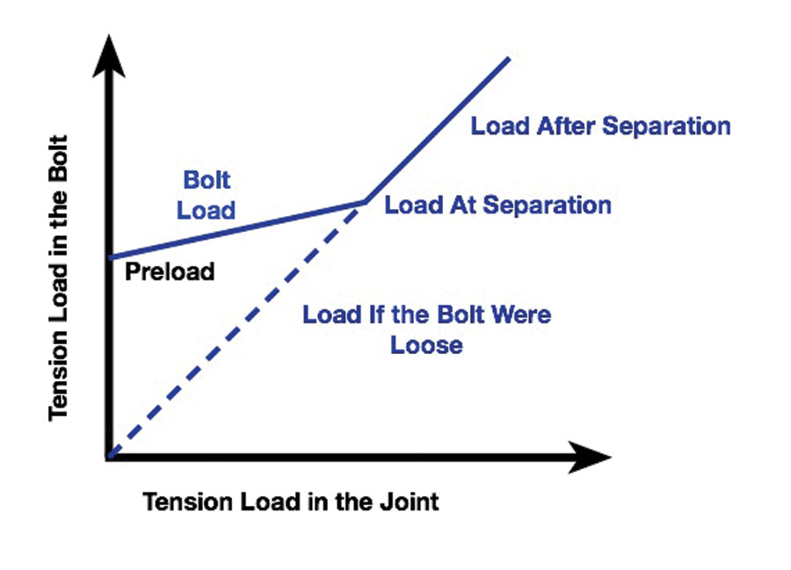
K_a Series (N/m/Pa) |  | 5.94E-02 | ignore if same |  | Tensile Yield (Pa) |  | 4.35E+08 |  |  |  | REVISION HISTORY v1.1—Axial stiffness, SAE/ASTM/Metric Grades, lateral stiffness, with PRELOAD as an INPUT, both washer/nut, and TAPPED, loading diagram, and guide on washer installation! VERIFIED @ v1.1 Stage Using Hand-Calculations coming in v1.2—stresses in members, and estimated thread stresses, notes on assumptions and how to deal with them, better material selectors/grade selectors, list of common problems to look out for in design, MMPDS material properties coming in v1.2—FEA verification of bolted joint stresses and stiffnesses
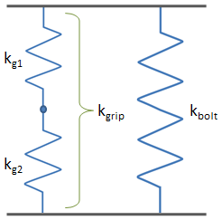
 |  |  |  |  | Tensile Ultimate (Pa) |  | 6.70E+08
K_top member (N/m) |  | 1.11E+09 |  |  | Poisson's Ratio |  | 2.90E-01
K_bot member (N/m) |  | 4.55E+09
Member Stiffness (N/m) |  | 8.95E+08 |  |  | Bolt Properties
 |  |  |  |  | Elasticity Modulus (Pa) |  | 1.97E+11
Axial Stiffness (N/m) |  | 1.23E+09 |  |  | Correction Factor |  | 7.50E-01
Lateral Stiffness (N/m) |  | 1.23E+08 |  |  | Calc Modulus (Pa) |  | 1.47E+11

Note, the above is ESTIMATED from the 10% lateral from axial rule. |  |  |  |  | Note, the above is ESTIMATED from the 0.2% strain method.

Lateral Stiffness (N/m) |  |  | HI, DO THIS! |  | Conservative E (Pa) |  | 2.05E+11
Lateral Stiffness (N/m) |  |  | HI, DO THIS!

 |  |  |  |  |  |  |  |  | DIAGRAM FROM: https://www.kitplanes.com/stressing-structure-13/
Joint Loading Diagram + F, δ Plot

Joint Capabilities |  |  |  |  |  | F, δ Values of Interest
Joint Capability (C_m) |  | 0.27 | % of load taken by the bolt |  |  | δ Bolt (µm) |  | 2.96E+01 | δ's are only the same AFTER the preload stage
Initial Bolt Load (kN) |  | 10.00 |  |  |  | δ Members (µm) |  | -1.12E+01
Seperation Point (kN) |  | 13.78
Maximum Loading (kN) |  | 28.11
Bolt Loading Diagram
F-δ Plot for Bolted Joint
Bolt Ultimate Tensile Strength
 |  |  |  |  |  |  | Delta | Force
Applied | Bolt |  |  |  |  |  | -11.18 | -10.00
0 | 10.00 |  |  |  |  |  | 0.00 | 0.00
13.78 | 13.78 |  |  |  |  |  | 29.59 | 10.00
28.11 | 28.11

Bolted Joint Failure Occurs @ the Knee

Diagrams + Modeling Details
Ghost Rider Tim's Bolted Joint Calculator for Al, Ti, & Steel (in SI Units)

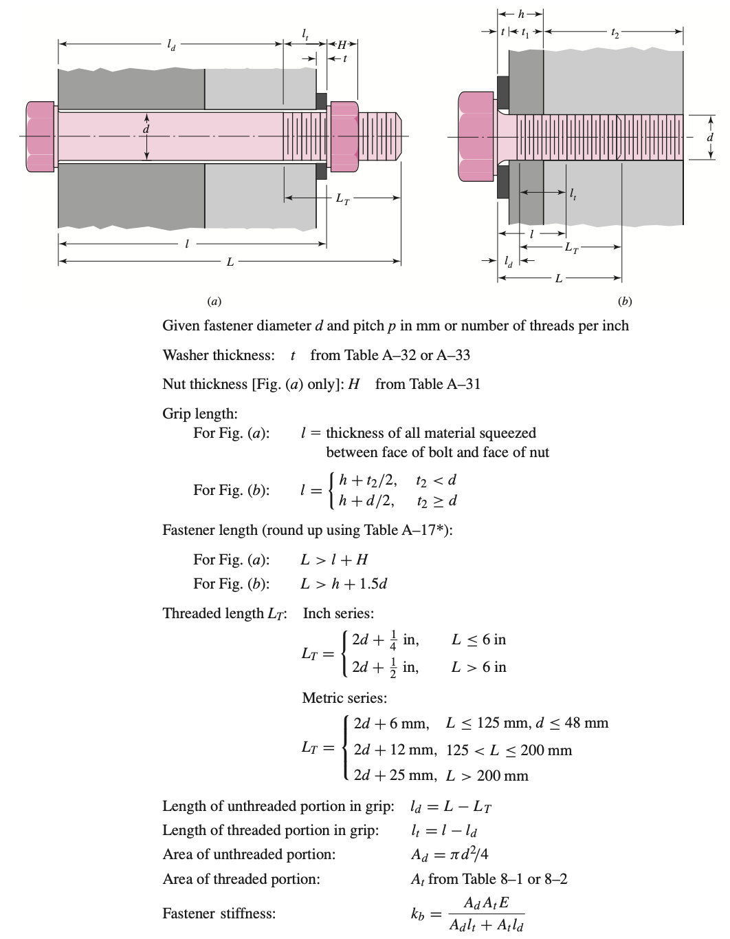
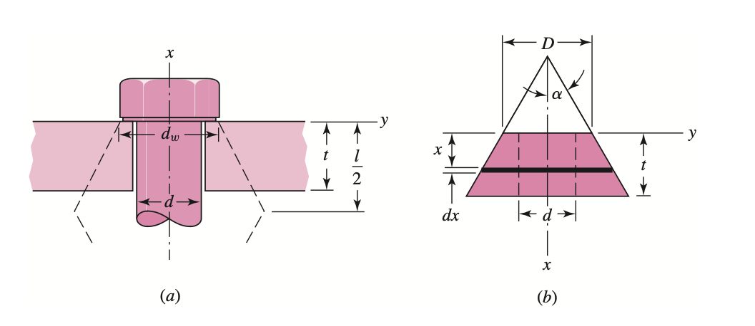

 |  | For alpha = 30deg
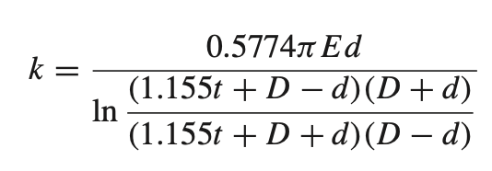

 | ALSO NOTE: that washers increase the area of a bolted joint connection and the thickness of the joint itself
 |  | (washers make a joint STIFFER)

 | Note—the above shows how to calculate the stiffness of the pressure cone of material generated by the preload in a bolted joint. Read Sigley's chapter 8 for more details on the derivations of the stiffness formulas.

Note—the above shows the defintions of key variables for bolted joint calculations, please refer to Shigley's chapter 8 for a more detailed explination. These are the variables Shigley's uses, and they are the same variables used in this spreadsheet.

