Sheet1
motor_size_estimator.xls
To estimate size of a motor driving an optimal lead screw actuated table
By Alex Slocum, 2023.06.03 by Alex Slocum
Enters numbers in BOLD, Results in RED
System based on matched inertia doctrine for optimal transmission ratio
Desired torque, gam (N-mm) | 1000
Calculated minimum torque to accelerate load | 476
Mass being driven
Table mass, mload (kg) | 10
Motion profile
Velocity, vmax (mm/s) | 1000
Distance to accelerate, x (mm) | 100
Time to accelerate, taccel (seconds) | 0.2
acceleration, accel (m/s) | 5

$$ℓ=2π×1000\sqrt{\frac{J_{motor}+J_{coupling}+J_{screw}}{m_{load}}}$$
Size proportions
Motor electromagnetic shear stress, tau (atm, N/mm^2) | 0.1 | 0.01
Motor housing length/housing diameter, hlhd | 1.2
Motor housing length/rotor length, hlrl | 1.8
Motor housing diameter/rotor diameter, hdrd | 1.8
Rotor length/rotor diameter | 1.2
Coupling
Diameter coupling/leadscrew, dcl | 2
Length coupling/diameter, lcl | 2
System analysis
 | Motor Rotor | Leadscrew | coupling
Outer Diameter (mm) | 37.6 | 16 | 32
Length (mm) | 45.1 | 1200 | 64
Density (kg/m^3) | 8000 | 7900 | 7900
Mass rotor (kg) | 0.4 | 1.906 | 0.407
Interia (kg-m^2) | 7.06E-05 | 6.10E-05 | 5.20E-05
Total, Jtotal | 1.84E-04
 | Optimal | Obtainable
Optimal lead of screw, lead (mm/rev) | 26.9 | 16
$$ω_{m}=\frac{60×1000×v_{linear}}{ℓ}$$
Lead/diameter | 1.7 | 1
Screw efficiency, etascrew | 0.9 | 0.9
Reflected linear inertia of rotary elements, mrotrefl (kg) | 10 | 28.3
Total net effective mass being accelerated, meff (kg) | 20.0 | 38.3
Force required from screw, Fscrew (N) | 100.0 | 191.6
Motor
Minimum motor torque required,Gammin (N-mm) | 476 | 542
Required motor speed, wmotor (rpm) | 2228 | 3750
Motor power, Pmot (Watts) | 111 | 213
Screw
Modulus of elasticity, Escrew | 200000
Poisoon ratio, vscrew | 0.29
Assumed root diameter/shaft diameter | 0.9
Screw diameter for stiffness and stress estimates, dscrews (mm) | 14.4
Cross sectional area, Ascrew (mm^2) | 163
Polar moment of inertia, Ipscrew (mm^4) | 4221
axial stress, sigscrew (MPa) | 7.2
Maximum axial displacement, delscrew (mm) | 0.0031
Axial stiffness, Kaxial (N/mm) | 32,572
Torsional stress, tauscrew (MPa) | 0.81
Maximum torsional displacement, thetator (radians) | 0.0015 | 0.0017
Torsional stiffness (N-mm/rad) | 327,235 | 327,235
Equivelant axial displacement due to torsional displacement | 0.0062 | 0.0042
Equivelant axial stiffness, Kaxialtors | 16038 | 45417
Effective axial stiffness of screw shaft compressing and twisting, Keff (N/mm) | 10,746 | 18,968
Natural frequency (Hz) | 233 | 255 |  | https://socratic.org/questions/frequency-of-vibration-of-two-masses-connected-by-a-spring

10

motor element size ratios
 | Relative Length | Ratio
Length
Housing | 4.316 | 1.82
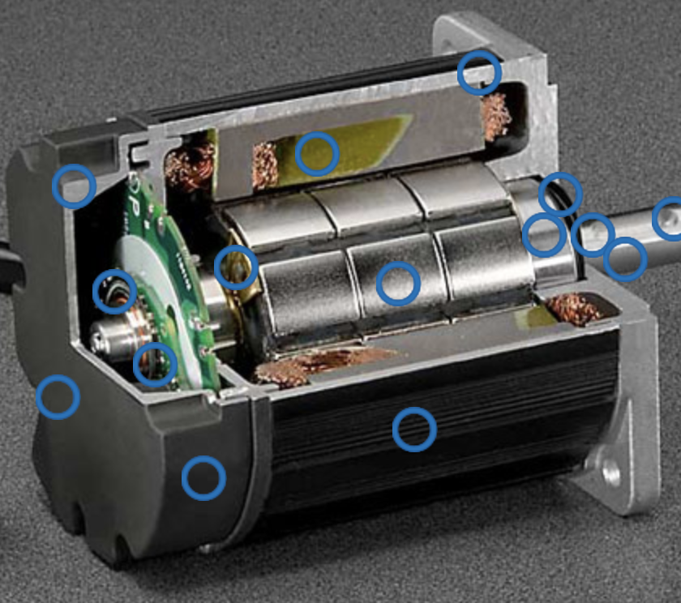
4.32
.75
1.75
2.34
Rotor | 2.340
Diameter
Housing | 3.5 | 1.75
Rotor | 2
Housing
Length | 4.316 | 1.23
Diameter | 3.5
Rotor
Length | 2.366 | 1.18
Diameter | 2

