Inputs + Outputs
Ghost Rider Tim's Slips + Fits Calculator for Bearings + Shafts (in SI Units) |  |  |  |  |  |  |  |  |  | 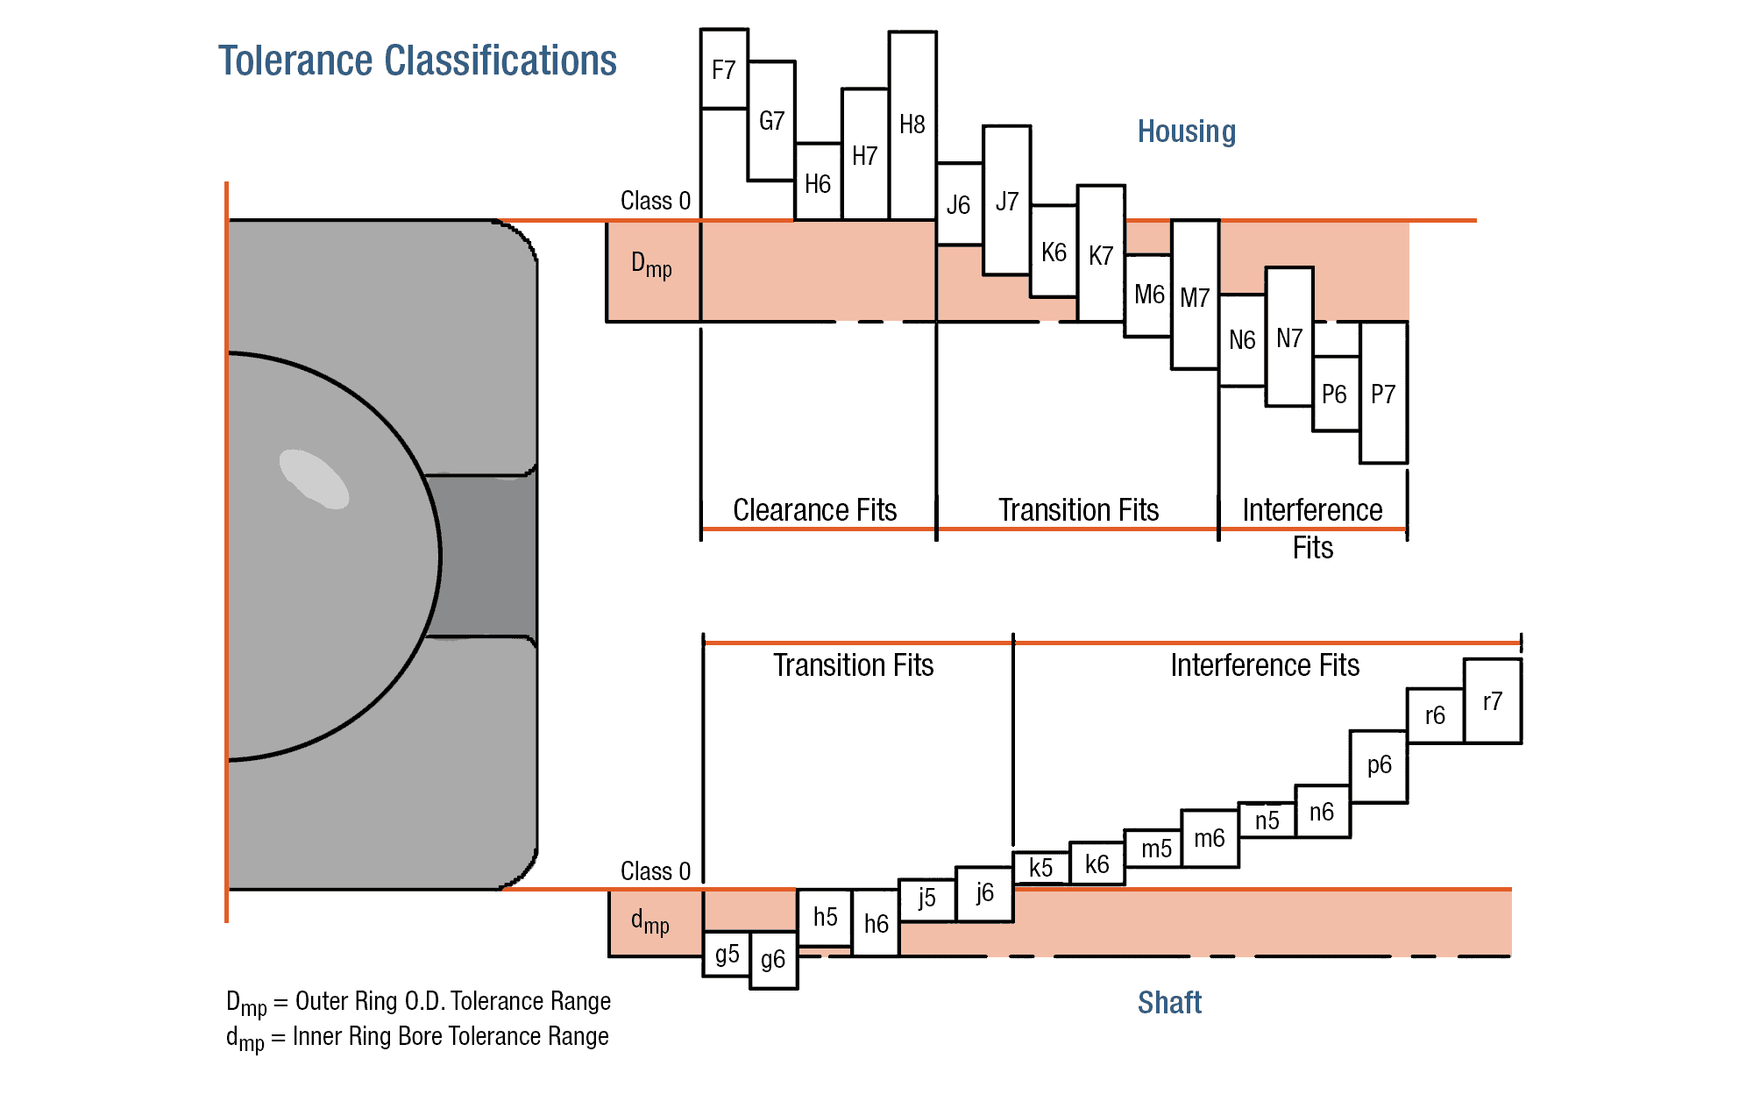 ISO Tolerance Classifications from Kapent

Latest Revision: | Monday, April 14th, 2023 |  |  | List of References: |  | Shigley's Mechanical Engineering Design (6th, SI) Precision Machine Design—Alex Slocum 2.70 Elements of Mechanical Design 2.72 FUNdaMENTALs of Precision Product Design https://kapent.com/how-to-determine-bearing-shaft-and-housing-fit/ https://simplybearings.co.uk/shop/Info-Pages-ISO-Limits/c4746_4779/index.html?page=1 https://home.iitk.ac.in/~anupams/ME251/tolerances_tables.pdf
MIT EVT Website: | https://evt.mit.edu
Welcome to Ghost Rider Tim's Slips + Fits Calculator for Bearings + Shafts in SI units! This calculator is provided for free from the MIT Electric Vehicle Team (Licence to Fab), for you to use! Check out the tabs at the bottom + the references for more info! Please note this calculator is provided open-source so if you see something wrong, please tell us so we can fix it (adim@mit.edu)!

Geometery + Fits Selector
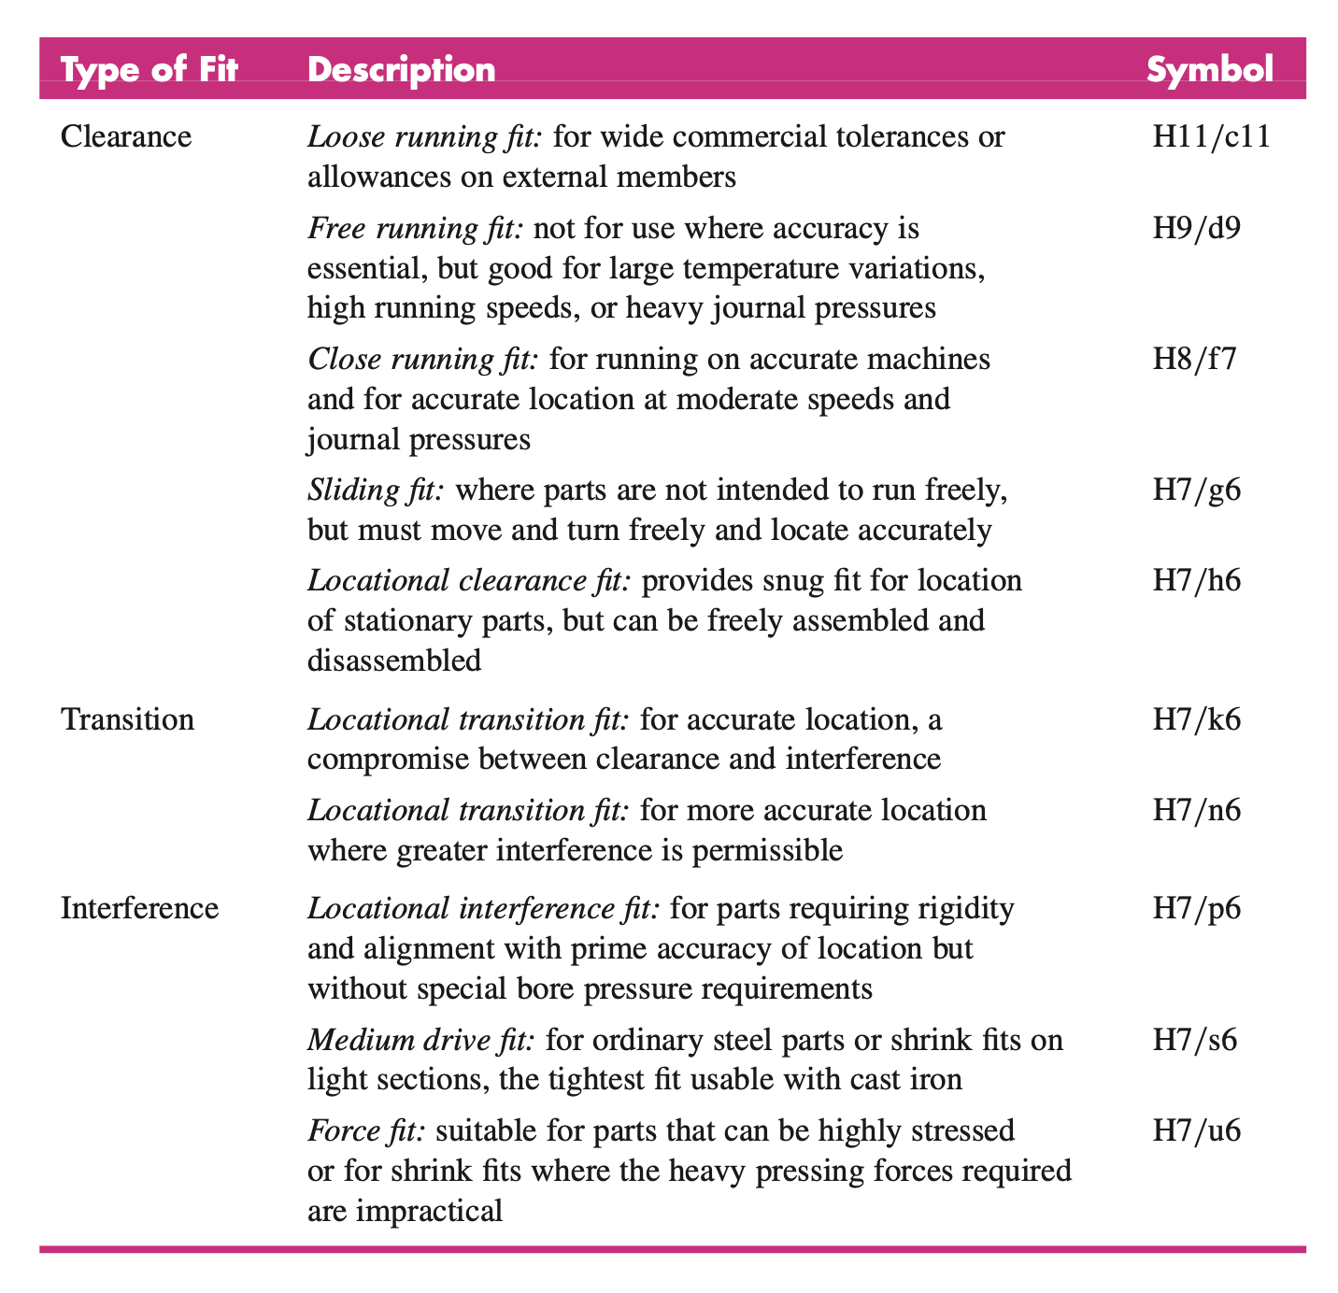

Shaft Tolerancing |  |  | Hole Tolerancing |  |  |  | Dimensions + Material

Fit Class | 30 |  | Fit Class |  | 50 |  | Shaft Nominal ø (mm) |  | 5.00
 |  |  |  |  |  |  | Housing Nominal ø (mm) |  | 5.00
Diametral Range | 1 |  | Diametral Range |  | 1 |  | Assume these are the same ^

Fit Class— Select red number under the tolerance Diametral Range— select the first red number next to the diametral class ex. 3-6mm choose 1 140-60mm choose23 |  |  | Fit Class— Select red number under the tolerance Diametral Range— select the first red number next to the diametral class ex. 3-6mm choose 1 140-60mm choose23 |  |  |  | Tolerance Table Outputs |  |  | Calculation Assumptions—v1.1

 |  |  |  |  |  |  | Shaft (+) Deviation (μm) |  | 12
 |  |  |  |  |  |  | Shaft (-) Deviation (μm) |  | 4 | 1. The biggest assumption BY FAR that this calculator makes is that ALL MATERIAL DEFORMATIONS DURING INTERFERENCE AND TRANSITIONAL FITS ARE PURELY ELASTIC, this is a CRITICAL ASSUMPTION, because plastic deformation does NOT help create press-fit pressure, therefor if the press fit stresses are TOO HIGH this calculator will OVERESTIMATE THE STRENGHT OF YOUR PRESS FIT JOINT. YOU SHOULD CALCULATE THE PRESS FIT STRESS YOURSELF AND MAKE SURE IT IS LESS THAN THE YIELD STRESS OF THE MATERIALS. 2. Second, this calculator assumes in a press/interference/transitional fit, THAT THE PIN IS PRESSED PERFECTLY STRAIGHT INTO THE HOLE, this is NOT THE CASE IN REAL FITS, meaning your joint will likely suffer SOME PLASTIC DEFORMATION AND SEE SOME REDUCTION IN FORCE CAPABILITY. In this version of the calculator, all stresses, safety factors, and joint-capability estimates are ESTIMATES and will NOT be verified with FEA or anything, please do your own math to check our numbers. PLEASE NOTE THAT THIS CALCULATOR DOES NOT CALCULATE STRESS IN THE MEMBERS DUE TO ANY PRESS FITS, OR THE SHEAR LOAD CAPABILITIES OF ANY RUNNING FITS, NOTE THAT WHEN DESIGNING A PRESS FIT, YOU WANT THE MATERIAL TO STAY IN THE ELASTIC REGIME FOR THE MOST PART BECAUSE PLASTIC DEFORMATION DOES NOT AID IN PRESS-FIT PRESSURE, ONLY ELASTIC DEFORMATION DOES THAT.
 |  |  |  |  |  |  | Hole (+) Deviation (μm) |  | 12
 |  |  |  |  |  |  | Hole (-) Deviation (μm) |  | 0

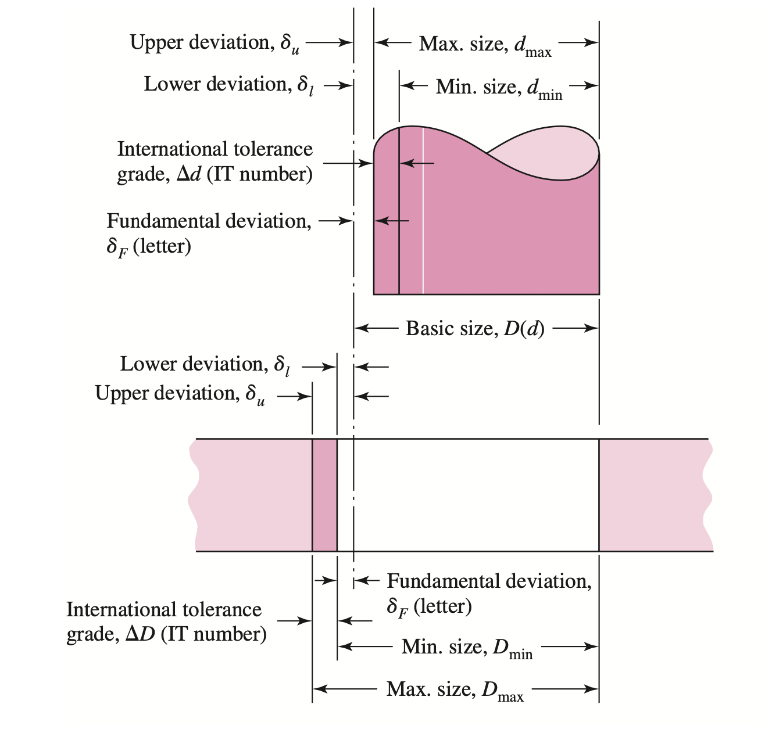
 |  |  |  |  |  |  | Interface Calculations

Materials Selector |  |  | Material Properties |  |  |  | Shaft Maximum ø (mm) |  | 5.012
 |  |  |  |  |  |  | Shaft Minimum ø (mm) |  | 5.004
Shaft Material | 2 |  | Shaft Material Props. |  |  |  | Hole Maximum ø (mm) |  | 5.012
 |  |  | Elasticity Modulus (Pa) |  | 2.05E+11 |  | Hole Minimum ø (mm) |  | 5
Hole Material | 1 |  | Tensile Yield (Pa) |  | 4.35E+08
 |  |  | Tensile Ultimate (Pa) |  | 6.70E+08 |  | Maximum δ (mm) |  | 0.012
Material Selector 1 - 6061-T6 Aluminum Alloy 2 - 4130 Steel Alloy 3 - Grade 5 Titanium Alloy |  |  | Poisson's Ratio |  | 2.90E-01 |  | Minimum δ (mm) |  | -0.008
 |  |  |  |  |  |  | Nominal δ (mm) |  | 0.002
 |  |  | Hole Material Props.
 |  |  | Elasticity Modulus (Pa) |  | 6.89E+10 |  | if δ > 0, then we have interference between the hole and pin δ < 0, means clerance |  |  | Notes for the User
 |  |  | Tensile Yield (Pa) |  | 2.76E+08
 |  |  | Tensile Ultimate (Pa) |  | 3.10E+08
 |  |  | Poisson's Ratio |  | 3.30E-01 |  |  |  |  | INPUTS 1) INPUT your desired shaft NOMINAL diameters, and TOLERANCE calssifications 2) INPUT wether what you've specified is a running/clerance fit, or a transition/interference fit UPDATE --> THIS IS CALCULATED FROM TOTAL δ 3) INPUT the material choice of the members in the design OUTPUTs 1) OUTPUTs the nominal dimensions of each of the parts 2) OUTPUTs the location accuracy, and shear strenght for running and clerance fits 3) OUTPUTs the press fit pressure, shear strenght, and pull/push force for transition/interference fits Please note that while all cells with always provide an output, depending on the δ, some of these values may not be valid. For example, any numbers under the "clerance fit" section will be calculated but are nonsense if the fit is a transitional or interference fit. WE RECCOMEND READING SHIGLEY'S MECHANICAL ENGINEERING DESIGN CHAPTER 7, SPECIFICALLY 7-8 BEFORE USING THIS CALCULATOR AS THIS CALCULATOR IS NOT A SUBSTITUTE FOR ENGINEERING KNOWLEDGE.

For Interference / Transition Fits |  |  |  |  |  | TRUE |  | This cell checks if the NOMINAL δ between the parts is positive.

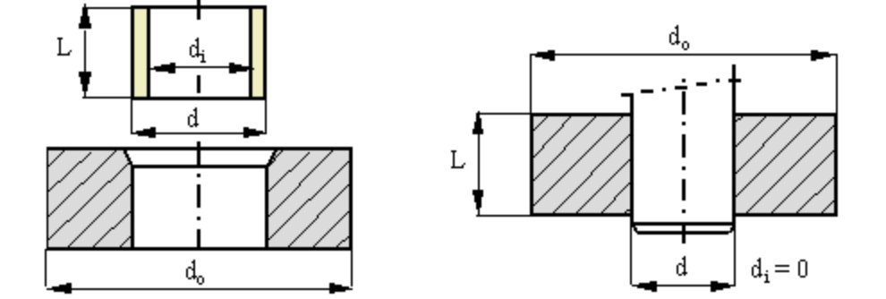
Thermal Properties |  |  | Nominal Dimensions |  |  | Geometric Inputs
CTE Shaft (m/m·K) | 1.30E-05 |  | Shaft Nominal ø (mm) |  | 5.008 | Shaft Inner ø "di" (mm) |  | 0.000
CTE Hole (m/m·K) | 2.36E-05 |  | Hole Nominal ø (mm) |  | 5.006 | Hole Outer ø "do" (mm) |  | 25.000
 |  |  |  |  |  | Press Fit "L" (mm) |  | 10.000
Pressures + Stresses |  | Housing | Shaft
Maximum Pressure (Pa) | 1.00E+08 | 1.03E-13 | 1.73E-14 |  | Press Fit Forces
Minimum Pressure (Pa) | -6.67E+07 |  |  |  | Max. Pressing Force (N) |  | 19.65
Nominal Pressure (Pa) | 1.67E+07 |  |  |  | Min. Pressing Force (N) |  | -13.10
 |  |  |  |  | Nom. Pressing Force (N) |  | 3.28 |  | Note— the outer diameter is estimated as either 3-5x the diameter of the shaft being inserted, OR the maximum diameter of surrounding material LESS than 3-5x the characteristic diameter. So if only 30mm of diametral material was surrounding an 8mm shaft, we'd use 30mm, else 40mm no matter how much material is around it.
Shaft Radial σ (Pa) | -1.00E+08
Hole Radial σ (Pa) | -1.00E+08 |  | Here we would put torque transfer capability, and thermal assembly information |  |  |  |  |  |  | Cell Colors Key
Shaft Tangential σ (Pa) | -1.00E+08
Hole Tangential σ (Pa) | 1.08E+08
These are Worst Case Stresses |  |  |  |  |  |  |  |  |  | INPUT | INTERMEDIATE VALUE | ERROR | FINAL VALUE

Distortion-Energy Failure |  |  |  |  |  |  |  |  |  | ESTIMATED VAL. | CALCULATION | NOTE / INFO | LABELs
Shaft Stress σ (Pa) | 1.00E+08
Hole Stress σ (Pa) | 1.81E+08 |  |  |  |  |  |  |  |  | Instructions | CONVERSION FACTOR | HEADING
Shaft Yield Check PASS | TRUE
Hole Yield Check PASS | TRUE |  |  |  |  |  |  |  |  | REVISION HISTORY v1.1—ISO Fits / Clearances Standard, Al/Steel/Ti ONLY, press fit pressure and pull-out/press-in force, clerance fit locating tolerance and ability coming in version 2—stress generated in the members during the press-fit, go/no-go checks on tightness of a press fit, moment and torque load capabilities of a press fit, total estimated runout for running fits, also add in hertzian contact shear load capabilities of running and clerance fits coming in version 2—also coming soon will be the DELTA T's required to GENERATE A SLIP FIT for the ASSEMBLY OF A PRESS FIT ! i.e. when will two parts have a total DELTA of zero allowing them to be easily assembled. coming in version 2 or 3—hardware verification of press fit force calculation (using a force guage and simple experiment). coming in version 2 or 3—instructions on how to "look up" the tolerance class for items you purchased and are designing with (bearings, dowel pins, etc.) FIXED A MISTAKE IN THE NOMINAL RADIAL C2C MOTION CALCULATION
Based on worst-case diameters

For Clerance / Running Fits |  |  |  |  |  | FALSE |  | This cell checks if the NOMINAL δ between the parts is negative.

Joint 'Play' + Locating |  | (mm) | (thou) |  | mm to thou (1mm = ) |  | 39.3701
Max Radial C2C Motion (mm) |  | 0.00400 | 0.1574804
Min Radial C2C Motion (mm) |  | 0.00600 | 0.2362206
Nominal Radial C2C Motion (mm) |  | 0.00100 | 0.0393701

Here we would put Hertzian pressure contact and shear ability of the joint

Fit Reccomendations
Ghost Rider Tim's Slips + Fits Calculator for Bearings + Shafts (in SI Units) | Please note that all specifications in this sheet are reported from https://amesweb.info/fits-tolerances/preferred-tolerances-table.aspx

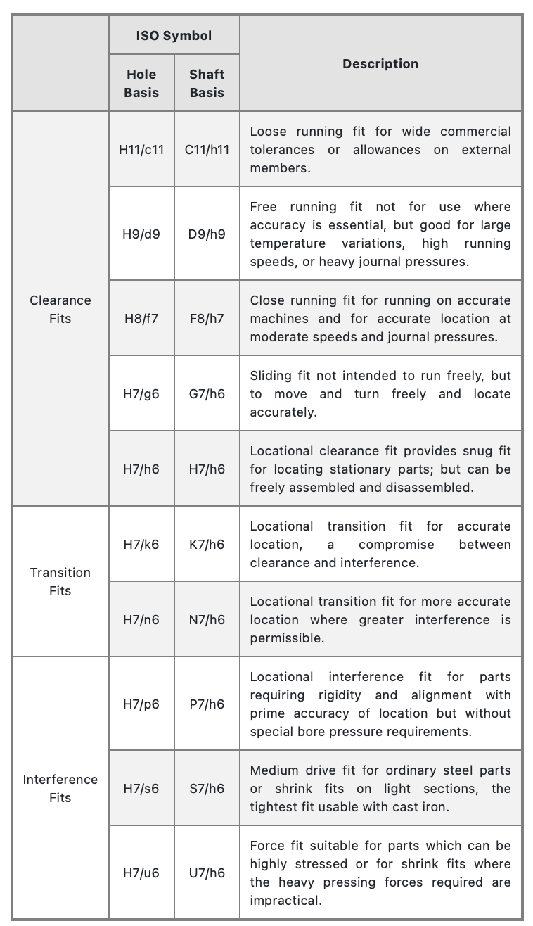
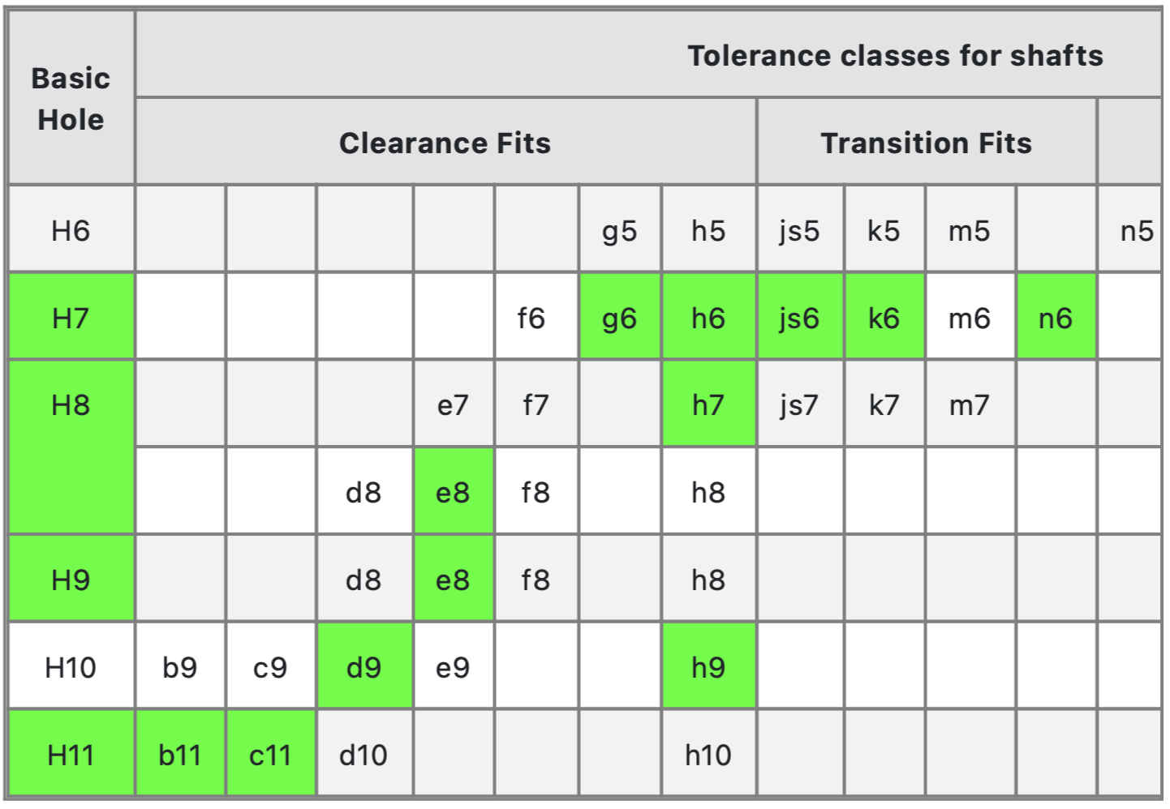

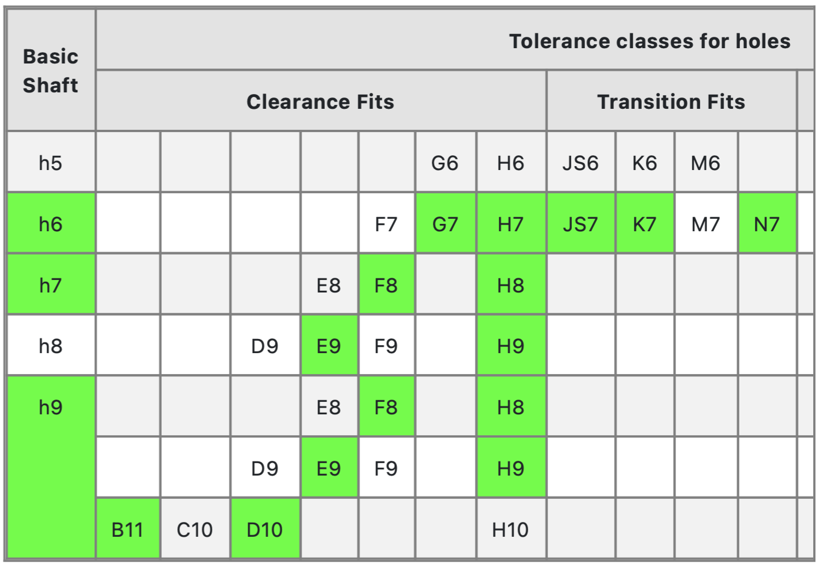

Diagrams + Modeling Details
Ghost Rider Tim's Slips + Fits Calculator for Bearings + Shafts (in SI Units)

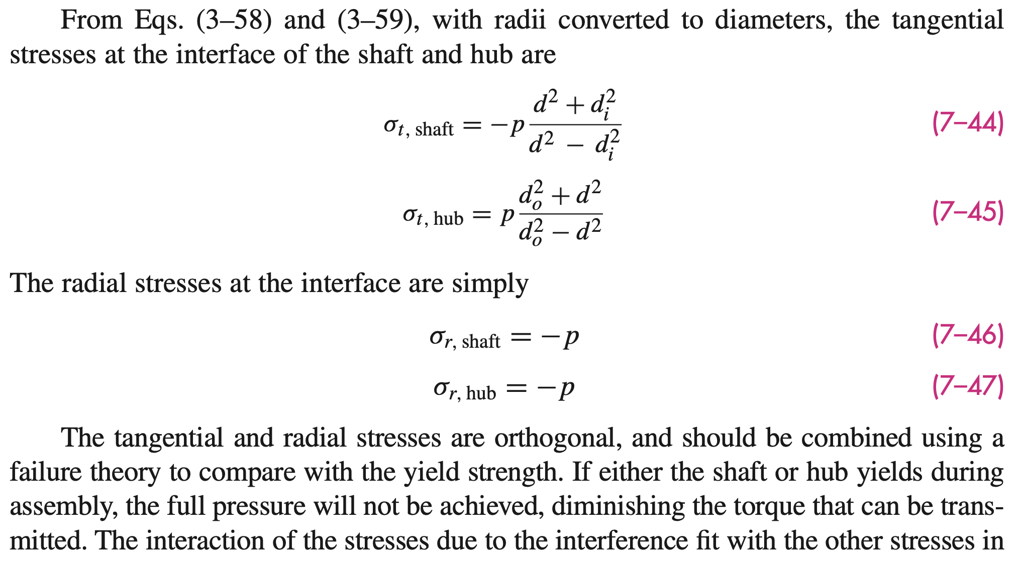

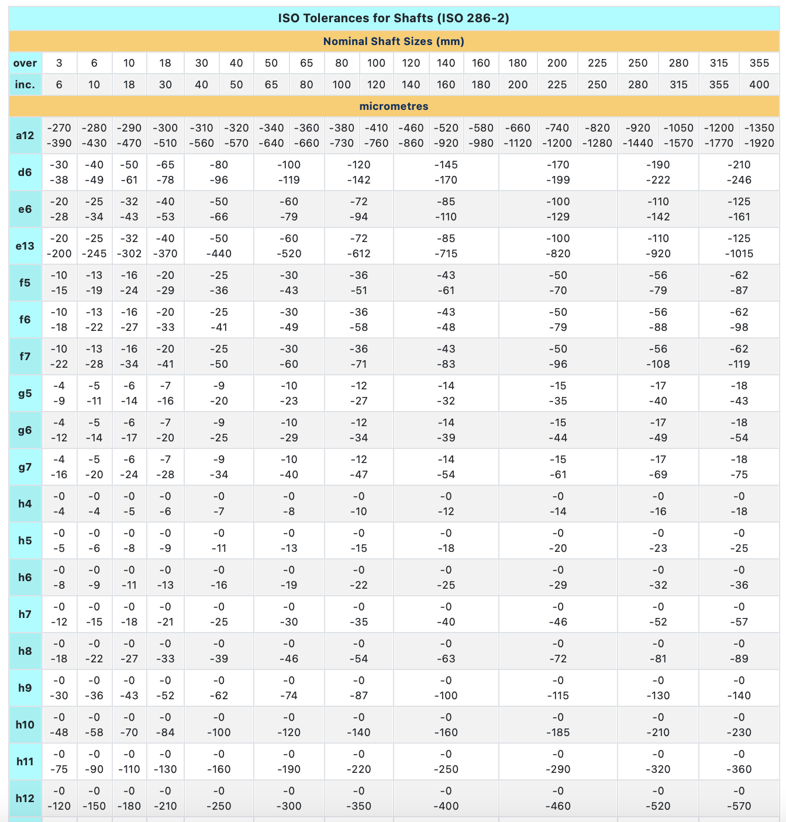
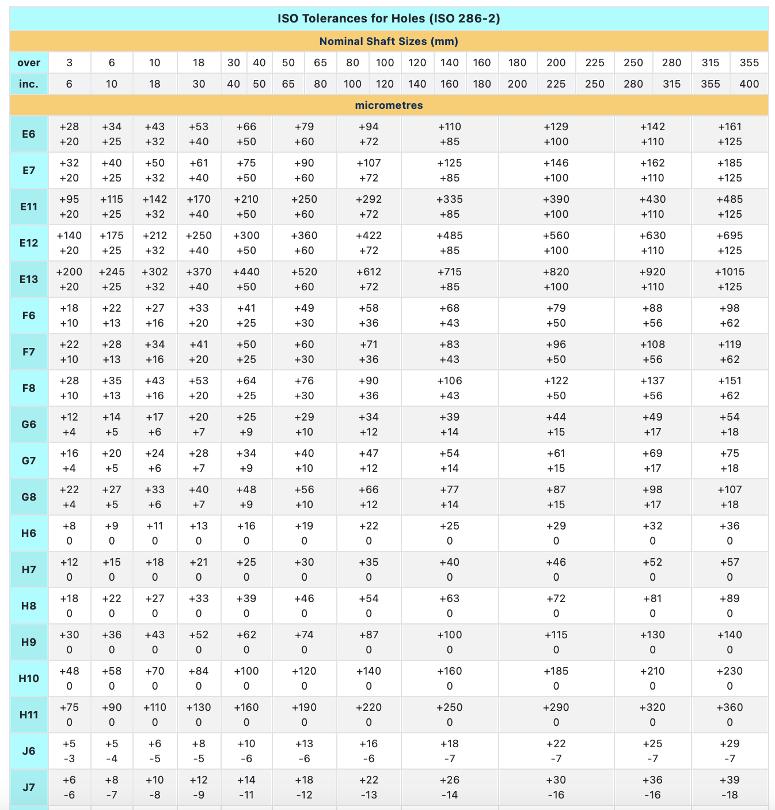

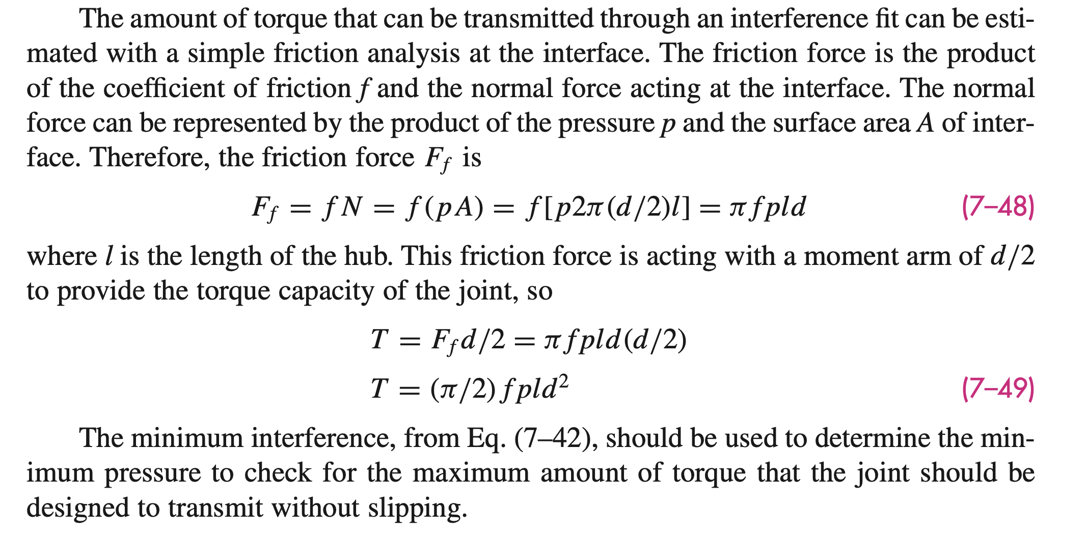

 | These are the Formulas form section 7-8 in Shigley's we are using to calculate the press-fit characteristics. Please see Shigley's section 7-8 for more information.

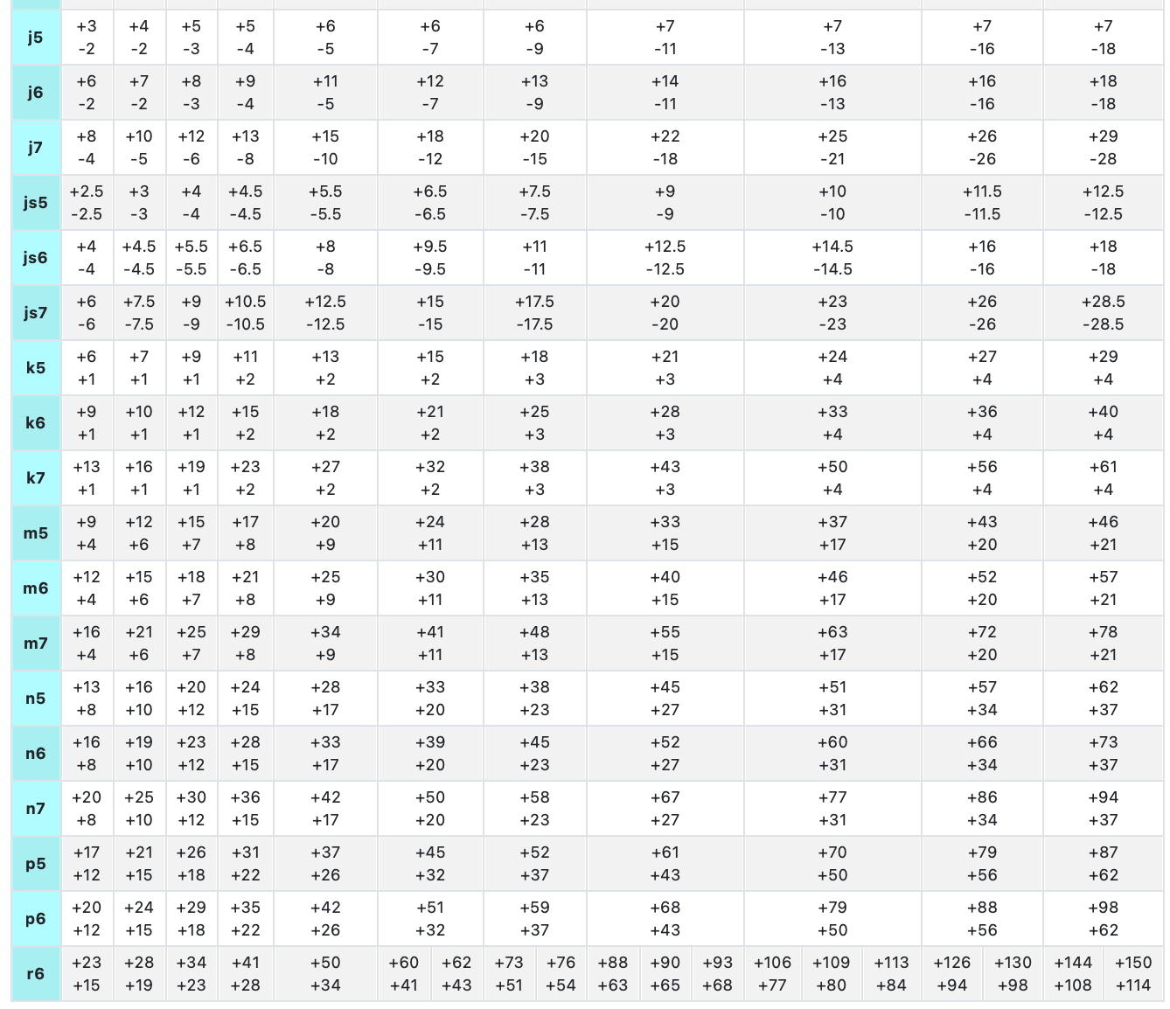
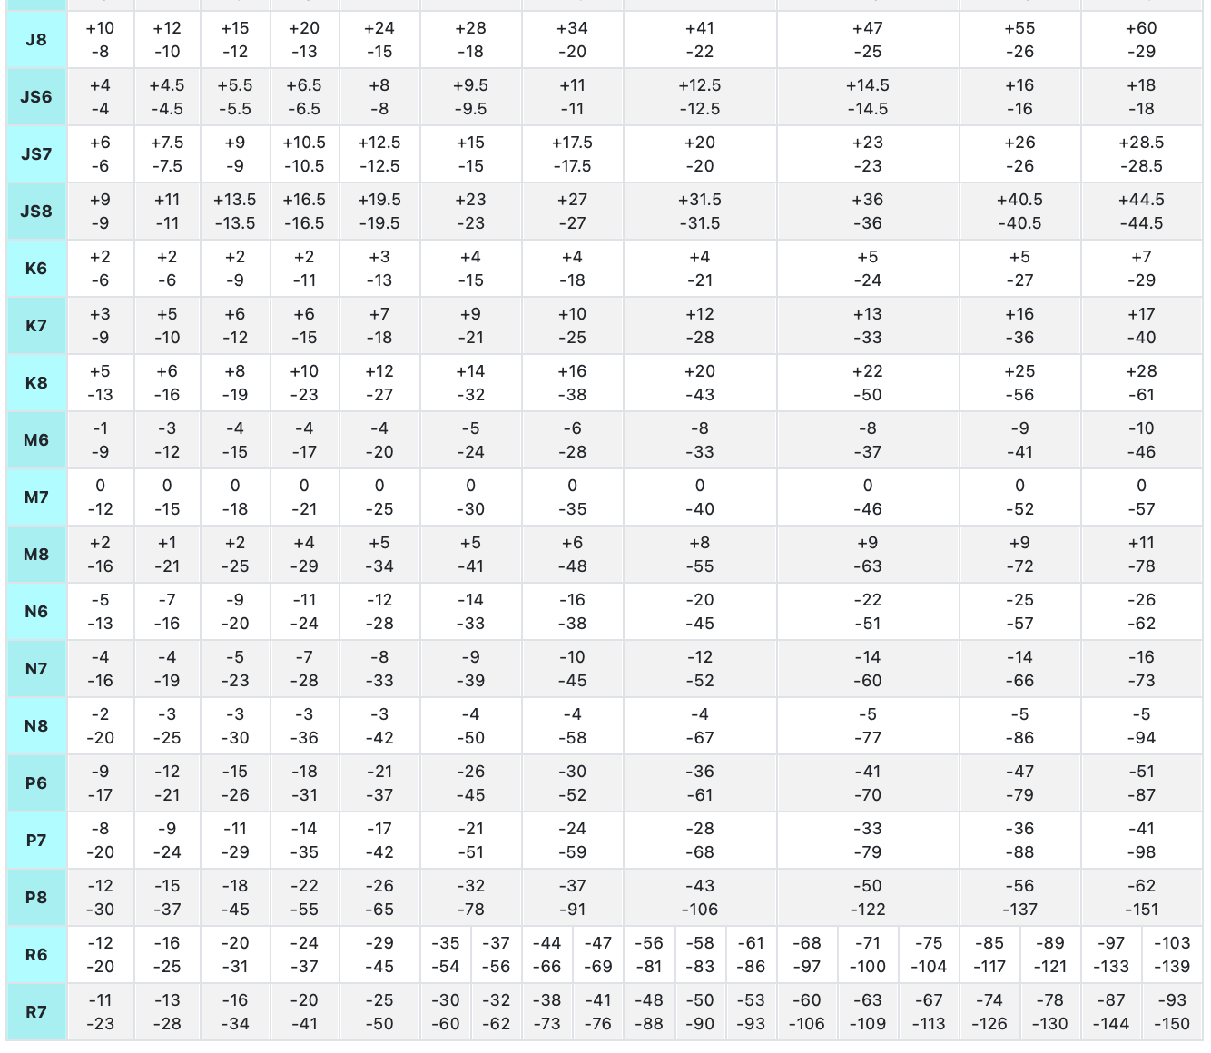

 | See page 219 in Shigley's for the Distortion-Energy Theorem for Yield in DUCTILE materials

